Instructions
Spotted Wind Drosophila (Drosophila suzukii): Control Costs/Benefits Worksheet
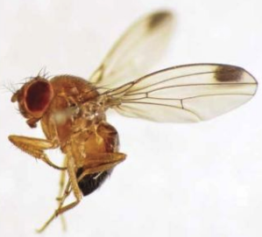 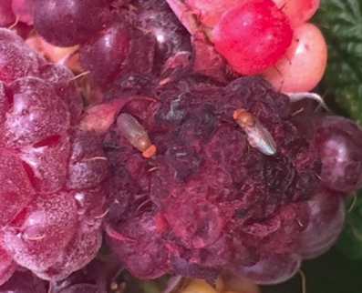 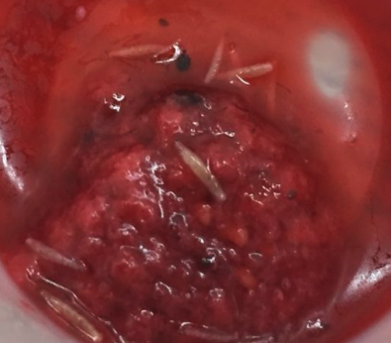

a
b
c

Purpose of the Worksheets
When making decisions about whether or not to treat for invasive insects such as Spotted Wing Drosophila (or SWD) growers must determine whether the benefits of control applications outweigh the costs of doing so. These worksheets are designed to calculate the net costs/benefits of applying insecticides or high tunnel exclusion netting to control SWD infestation losses. Control costs and changes in yield are compared to the alternative of "doing nothing" (applying no controls). The worksheets will help determine when a control cost pays off for your farm - under what treatment, yield and market price scenarios.

How to Use the Worksheets
1. You will need to know (or be able to estimate) the following when using the worksheets: Tunnel size, rows or acres in production, row length, yield w/o SWD infestation, expected SWD infestation, hourly cost of labor, price received for your crop, cost of treatment inputs (such as netting or insecticides), and the cost of water in your area. If you are uncertain about current SWD infestation rates on your farm, data from Midwest field trials and grower surveys are embedded in the worksheet to help with these estimates.

2. Fill in the green cells using the worksheet that applies to your management scenario and planned SWD control strategy (insecticides for open field vs. exclusion netting for high tunnels).
3. The worksheet will automatically calculate gross returns, net returns (yield after SWD losses subtracted), and net benefits.
Understanding the Results
Positive Net Benefits w/ Control: If net benefits are positive, this suggests that your SWD control strategy may be a good investment; the yield benefits from applying the SWD control outweigh the costs of the control.
Negative Net Benefits w/Control: If net benefits are negative, this suggests that the costs of the SWD control outweigh any potential yield benefits and therefore would not be a good economic investment.
Note: Net benefits do not equal overall net profitability for the crop enterprise; net benefits in this worksheet simply measure the return on insecticide or exclusion netting investments.

Test Your Results
Test your assumptions and the strength of your results under different infestation, yield, input cost and market price conditions. What happens to your net returns when SWD infestation rates are higher or lower than anticipated? What happens to net returns when the price you receive for your crop changes? Try increasing and decreasing these variables by 5-10% (standard practice when conducting a "sensitivity analysis." If net benefits remain positive when market prices decrease, input costs increase, or SWD infestation increases, your control strategy can be considered economically robust.

For more information about Spotted Wing Drosophila, visit: FruitEdge

Acknowledgements: This workbook was created by Gigi DiGiacomo, Department of Applied Economics, University of Minnesota (gigid@umn.edu) with funding from the Minnesota Invasive Terrestrial Plants and Pests Center, University of Minnesota through the Environment and Natural Resources Trust Fund as recommended by the Legislative-Citizen Commission on Minnesota Resources (LCCMR). Field research was conducted with support from the Minnesota Agricultural Experiment Station.

Photo Credits
a: C. Guedot, University of Wisconsin-Extension
b: S. Wold-Burkness, University of Minnesota
c: S. Wold-Burkness, University of Minnesota

